"Fair" Game for Player
Probablilities Calculation for 'Fair Game'

 | Options | Possible Hand Satisfying Option | Possible Hands | Probabilitiy of Occuring | Predicted Winning ($1) (Multiplyer) | Expected Loss for Casino | Expected Earning for Casino
 | Ace Only | 999600 | 2598960 | 0.3846153846000000 | 2.60 | $1.00 | $0.00
 | 2 Only | 999600 | 2598960 | 0.3846153846000000 | 2.60 | $1.00 | $0.00
 | 3 Only | 999600 | 2598960 | 0.3846153846000000 | 2.60 | $1.00 | $0.00
 | 4 Only | 999600 | 2598960 | 0.3846153846000000 | 2.60 | $1.00 | $0.00
 | 5 Only | 999600 | 2598960 | 0.3846153846000000 | 2.60 | $1.00 | $0.00
 | 6 Only | 999600 | 2598960 | 0.3846153846000000 | 2.60 | $1.00 | $0.00
 | 7 Only | 999600 | 2598960 | 0.3846153846000000 | 2.60 | $1.00 | $0.00
 | 8 Only | 999600 | 2598960 | 0.3846153846000000 | 2.60 | $1.00 | $0.00
 | 9 Only | 999600 | 2598960 | 0.3846153846000000 | 2.60 | $1.00 | $0.00
 | 10 Only | 999600 | 2598960 | 0.3846153846000000 | 2.60 | $1.00 | $0.00
 | Jack Only | 999600 | 2598960 | 0.3846153846000000 | 2.60 | $1.00 | $0.00
 | Queen Only | 999600 | 2598960 | 0.3846153846000000 | 2.60 | $1.00 | $0.00
 | King Only | 999600 | 2598960 | 0.3846153846000000 | 2.60 | $1.00 | $0.00
 | Ace Only and Suit | 249900 | 2598960 | 0.09615384615000000 | 10.40 | $1.00 | $0.00
 | 2 Only and Suit | 249900 | 2598960 | 0.09615384615000000 | 10.40 | $1.00 | $0.00
 | 3 Only and Suit | 249900 | 2598960 | 0.09615384615000000 | 10.40 | $1.00 | $0.00
 | 4 Only and Suit | 249900 | 2598960 | 0.09615384615000000 | 10.40 | $1.00 | $0.00
 | 5 Only and Suit | 249900 | 2598960 | 0.09615384615000000 | 10.40 | $1.00 | $0.00
 | 6 Only and Suit | 249900 | 2598960 | 0.09615384615000000 | 10.40 | $1.00 | $0.00
 | 7 Only and Suit | 249900 | 2598960 | 0.09615384615000000 | 10.40 | $1.00 | $0.00
 | 8 Only and Suit | 249900 | 2598960 | 0.09615384615000000 | 10.40 | $1.00 | $0.00
 | 9 Only and Suit | 249900 | 2598960 | 0.09615384615000000 | 10.40 | $1.00 | $0.00
 | 10 Only and Suit | 249900 | 2598960 | 0.09615384615000000 | 10.40 | $1.00 | $0.00
 | Jack Only and Suit | 249900 | 2598960 | 0.09615384615000000 | 10.40 | $1.00 | $0.00
 | Queen Only and Suit | 249900 | 2598960 | 0.09615384615000000 | 10.40 | $1.00 | $0.00
 | King Only and Suit | 249900 | 2598960 | 0.09615384615000000 | 10.40 | $1.00 | $0.00
 | Pairs | 1098240 | 2598960 | 0.42256902760000000 | 2.366477273000000 | $1.00 | $0.00
 | Two-Pairs | 123552 | 2598960 | 0.04753901561000000 | 21.03535354000000 | $1.00 | $0.00
 | Three-of-a-Kind | 54912 | 2598960 | 0.02112845138000000 | 47.32954545000000 | $1.00 | $0.00
 | Four-of-a-Kind | 624 | 2598960 | 0.0002400960384000000 | 4165.0 | $1.00 | $0.00
 | Full House | 3744 | 2598960 | 0.00144057623000000 | 694.1666667000000 | $1.00 | $0.00
 | Straight | 10200 | 2598960 | 0.003924646782000000 | 254.80 | $1.00 | $0.00
 | Flush | 5138 | 2598960 | 0.001976944624000000 | 505.83106270000 | $1.00 | $0.00
 | Straight-Flush | 36 | 2598960 | 0.00001385169452000000 | 72193.33333000000 | $1.00 | $0.00
 | Royal Flush | 4 | 2598960 | 0.000001539077169000000 | 649740.0 | $1.00 | $0.00
 |  |  |  |  | Average: | $1.00 | $0.00
This version of our game that is 'fair' is unrealistic since the multiplier makes it hard for players to cash out their winnings. It will be hard for the house to award winnings for players betting on hands with an extremely large multiplier and winning their hand. For example, a player bets and wins the 'four-of-a-kind' hand. In addition, certain multipliers make it hard for the house to pay out the players in whole amounts (ie a player bets $1 on the '8 only' hands and wins, it will be hard for the game hosts to award $2.6 in chips). These average can be read as for every dollar spent, the player should recieve their one dollar and the casino will recieve $0, based on the law of large numbers.

Probabilities for Experimental
Probabilities for Experimental and Expected Data

 | Experimental/Observed Data: |  |  |  |  |  | Experimental/Observed Data Probabilities: |  |  |  | Expected Theoritical Data Probabilities:
 | Card Number | Hearts | Diamonds | Spades | Clubs | Total | Event | Number of Favourable Outcomes | Total Number of Possible Outcomes | Probability of Event | Event | Number of Favourable Outcomes | Total Number of Possible Outcomes | Probability of Event
 | Ace | 1 | 3 | 2 | 6 | 12 | P(Red) | 96 | 195 | 0.4923076923 | P(Red) | 97.5 | 195 | 0.5
 | 2 | 3 | 4 | 3 | 9 | 19 | P(Black) | 99 | 196 | 0.5051020408 | P(Black) | 97.5 | 195 | 0.5
 | 3 | 2 | 4 | 4 | 4 | 14 | P(Heart) | 48 | 195 | 0.2461538462 | P(Heart) | 49 | 195 | 0.2512820513
 | 4 | 4 | 1 | 3 | 4 | 12 | P(Diamonds) | 48 | 195 | 0.2461538462 | P(Diamonds) | 49 | 195 | 0.2512820513
 | 5 | 1 | 5 | 6 | 5 | 17 | P(Spades) | 40 | 195 | 0.2051282051 | P(Spades) | 49 | 195 | 0.2512820513
 | 6 | 5 | 3 | 2 | 9 | 19 | P(Clubs) | 59 | 195 | 0.3025641026 | P(Clubs) | 49 | 195 | 0.2512820513
 | 7 | 9 | 2 | 1 | 4 | 16 | P(Ace) | 12 | 195 | 0.06153846154 | P(Ace) | 15 | 195 | 0.07692307692
 | 8 | 3 | 1 | 2 | 3 | 9 | P(Two) | 19 | 195 | 0.09743589744 | P(Two) | 15 | 195 | 0.07692307692
 | 9 | 4 | 9 | 6 | 1 | 20 | P(Three) | 14 | 195 | 0.07179487179 | P(Three) | 15 | 195 | 0.07692307692
 | 10 | 7 | 6 | 3 | 3 | 19 | P(Four) | 12 | 195 | 0.06153846154 | P(Four) | 15 | 195 | 0.07692307692
 | J | 5 | 4 | 2 | 5 | 16 | P(Five) | 17 | 195 | 0.08717948718 | P(Five) | 15 | 195 | 0.07692307692
 | Q | 2 | 5 | 3 | 6 | 16 | P(Six) | 19 | 195 | 0.09743589744 | P(Six) | 15 | 195 | 0.07692307692
 | K | 2 | 1 | 3 | 0 | 6 | P(Seven) | 16 | 195 | 0.08205128205 | P(Seven) | 15 | 195 | 0.07692307692
 | Total | 48 | 48 | 40 | 59 | 195 | P(Eight) | 9 | 195 | 0.04615384615 | P(Eight) | 15 | 195 | 0.07692307692
 | Expected Theoritical Data: |  |  |  |  |  | P(Nine) | 20 | 195 | 0.1025641026 | P(Nine) | 15 | 195 | 0.07692307692
 |  |  |  |  |  |  | P(Ten) | 19 | 195 | 0.09743589744 | P(Ten) | 15 | 195 | 0.07692307692
 |  |  |  |  |  |  | P(Jack) | 16 | 195 | 0.08205128205 | P(Jack) | 15 | 195 | 0.07692307692
 | Card Number | Hearts | Diamonds | Spades | Clubs | Total | P(Queen) | 16 | 195 | 0.08205128205 | P(Queen) | 15 | 195 | 0.07692307692
 | Ace | 3.75 | 3.75 | 3.75 | 3.75 | 15 | P(King) | 6 | 195 | 0.03076923077 | P(King) | 15 | 195 | 0.07692307692
 | 2 | 3.75 | 3.75 | 3.75 | 3.75 | 15 | P(Heart|Ace) | 1 | 12 | 0.08333333333 | P(Heart|Ace) | 3.75 | 15 | 0.25
 | 3 | 3.75 | 3.75 | 3.75 | 3.75 | 15 | P(Heart|Two) | 3 | 19 | 0.1578947368 | P(Heart|Two) | 3.75 | 15 | 0.25
 | 4 | 3.75 | 3.75 | 3.75 | 3.75 | 15 | P(Heart|Three) | 2 | 14 | 0.1428571429 | P(Heart|Three) | 3.75 | 15 | 0.25
 | 5 | 3.75 | 3.75 | 3.75 | 3.75 | 15 | P(Heart|Four) | 4 | 12 | 0.3333333333 | P(Heart|Four) | 3.75 | 15 | 0.25
 | 6 | 3.75 | 3.75 | 3.75 | 3.75 | 15 | P(Heart|Five) | 1 | 17 | 0.05882352941 | P(Heart|Five) | 3.75 | 15 | 0.25
 | 7 | 3.75 | 3.75 | 3.75 | 3.75 | 15 | P(Heart|Six) | 5 | 19 | 0.2631578947 | P(Heart|Six) | 3.75 | 15 | 0.25
 | 8 | 3.75 | 3.75 | 3.75 | 3.75 | 15 | P(Heart|Seven) | 9 | 16 | 0.5625 | P(Heart|Seven) | 3.75 | 15 | 0.25
 | 9 | 3.75 | 3.75 | 3.75 | 3.75 | 15 | P(Heart|Eight) | 3 | 9 | 0.3333333333 | P(Heart|Eight) | 3.75 | 15 | 0.25
 | 10 | 3.75 | 3.75 | 3.75 | 3.75 | 15 | P(Heart|Nine) | 4 | 20 | 0.2 | P(Heart|Nine) | 3.75 | 15 | 0.25
 | J | 3.75 | 3.75 | 3.75 | 3.75 | 15 | P(Heart|Ten) | 7 | 19 | 0.3684210526 | P(Heart|Ten) | 3.75 | 15 | 0.25
 | Q | 3.75 | 3.75 | 3.75 | 3.75 | 15 | P(Heart|Jack) | 5 | 16 | 0.3125 | P(Heart|Jack) | 3.75 | 15 | 0.25
 | K | 3.75 | 3.75 | 3.75 | 3.75 | 15 | P(Heart|Queen) | 2 | 16 | 0.125 | P(Heart|Queen) | 3.75 | 15 | 0.25
 | Total | 48.75 | 48.75 | 48.75 | 48.75 | 195 | P(Heart|King) | 2 | 6 | 0.3333333333 | P(Heart|King) | 3.75 | 15 | 0.25
 |  |  |  |  |  |  | P(Diamond|Ace) | 3 | 12 | 0.25 | P(Diamond|Ace) | 3.75 | 15 | 0.25
 | Frequency |  |  |  |  |  | P(Diamond|Two) | 4 | 19 | 0.2105263158 | P(Diamond|Two) | 3.75 | 15 | 0.25
 | 1 |  |  |  |  |  | P(Diamond|Three) | 4 | 14 | 0.2857142857 | P(Diamond|Three) | 3.75 | 15 | 0.25
 | 3 |  |  |  |  |  | P(Diamond|Four) | 1 | 12 | 0.08333333333 | P(Diamond|Four) | 3.75 | 15 | 0.25
 | 2 |  |  |  |  |  | P(Diamond|Five) | 5 | 17 | 0.2941176471 | P(Diamond|Five) | 3.75 | 15 | 0.25
 | 4 |  |  |  |  |  | P(Diamond|Six) | 3 | 19 | 0.1578947368 | P(Diamond|Six) | 3.75 | 15 | 0.25
 | 1 |  |  |  |  |  | P(Diamond|Seven) | 2 | 16 | 0.125 | P(Diamond|Seven) | 3.75 | 15 | 0.25
 | 5 |  |  |  |  |  | P(Diamond|Eight) | 1 | 9 | 0.1111111111 | P(Diamond|Eight) | 3.75 | 15 | 0.25
 | 9 |  |  |  |  |  | P(Diamond|Nine) | 9 | 20 | 0.45 | P(Diamond|Nine) | 3.75 | 15 | 0.25
 | 3 |  |  |  |  |  | P(Diamond|Ten) | 6 | 19 | 0.3157894737 | P(Diamond|Ten) | 3.75 | 15 | 0.25
 | 4 |  |  |  |  |  | P(Diamond|Jack) | 4 | 16 | 0.25 | P(Diamond|Jack) | 3.75 | 15 | 0.25
 | 7 |  |  |  |  |  | P(Diamond|Queen) | 5 | 16 | 0.3125 | P(Diamond|Queen) | 3.75 | 15 | 0.25
 | 5 |  |  |  |  |  | P(Diamond|King) | 1 | 6 | 0.1666666667 | P(Diamond|King) | 3.75 | 15 | 0.25
 | 2 |  |  |  |  |  | P(Spades|Ace) | 2 | 12 | 0.1666666667 | P(Spades|Ace) | 3.75 | 15 | 0.25
 | 2 |  |  |  |  |  | P(Spades|Two) | 3 | 19 | 0.1578947368 | P(Spades|Two) | 3.75 | 15 | 0.25
 | 1 |  |  |  |  |  | P(Spades|Three) | 4 | 14 | 0.2857142857 | P(Spades|Three) | 3.75 | 15 | 0.25
 | 3 |  |  |  |  |  | P(Spades|Four) | 3 | 12 | 0.25 | P(Spades|Four) | 3.75 | 15 | 0.25
 | 2 |  |  |  |  |  | P(Spades|Five) | 6 | 17 | 0.3529411765 | P(Spades|Five) | 3.75 | 15 | 0.25
 | 4 |  |  |  |  |  | P(Spades|Six) | 2 | 19 | 0.1052631579 | P(Spades|Six) | 3.75 | 15 | 0.25
 | 1 |  |  |  |  |  | P(Spades|Seven) | 1 | 16 | 0.0625 | P(Spades|Seven) | 3.75 | 15 | 0.25
 | 5 |  |  |  |  |  | P(Spades|Eight) | 2 | 9 | 0.2222222222 | P(Spades|Eight) | 3.75 | 15 | 0.25
 | 9 |  |  |  |  |  | P(Spades|Nine) | 6 | 20 | 0.3 | P(Spades|Nine) | 3.75 | 15 | 0.25
 | 3 |  |  |  |  |  | P(Spades|Ten) | 3 | 19 | 0.1578947368 | P(Spades|Ten) | 3.75 | 15 | 0.25
 | 4 |  |  |  |  |  | P(Spades|Jack) | 2 | 16 | 0.125 | P(Spades|Jack) | 3.75 | 15 | 0.25
 | 7 |  |  |  |  |  | P(Spades|Queen) | 3 | 16 | 0.1875 | P(Spades|Queen) | 3.75 | 15 | 0.25
 | 5 |  |  |  |  |  | P(Spades|King) | 3 | 6 | 0.5 | P(Spades|King) | 3.75 | 15 | 0.25
 | 2 |  |  |  |  |  | P(Clubs|Ace) | 6 | 12 | 0.5 | P(Clubs|Ace) | 3.75 | 15 | 0.25
 | 2 |  |  |  |  |  | P(Clubs|Two) | 9 | 19 | 0.4736842105 | P(Clubs|Two) | 3.75 | 15 | 0.25
 | 2 |  |  |  |  |  | P(Clubs|Three) | 4 | 14 | 0.2857142857 | P(Clubs|Three) | 3.75 | 15 | 0.25
 | 3 |  |  |  |  |  | P(Clubs|Four) | 4 | 12 | 0.3333333333 | P(Clubs|Four) | 3.75 | 15 | 0.25
 | 4 |  |  |  |  |  | P(Clubs|Five) | 5 | 17 | 0.2941176471 | P(Clubs|Five) | 3.75 | 15 | 0.25
 | 3 |  |  |  |  |  | P(Clubs|Six) | 9 | 19 | 0.4736842105 | P(Clubs|Six) | 3.75 | 15 | 0.25
 | 6 |  |  |  |  |  | P(Clubs|Seven) | 4 | 16 | 0.25 | P(Clubs|Seven) | 3.75 | 15 | 0.25
 | 2 |  |  |  |  |  | P(Clubs|Eight) | 3 | 9 | 0.3333333333 | P(Clubs|Eight) | 3.75 | 15 | 0.25
 | 1 |  |  |  |  |  | P(Clubs|Nine) | 1 | 20 | 0.05 | P(Clubs|Nine) | 3.75 | 15 | 0.25
 | 2 |  |  |  |  |  | P(Clubs|Ten) | 3 | 19 | 0.1578947368 | P(Clubs|Ten) | 3.75 | 15 | 0.25
 | 6 |  |  |  |  |  | P(Clubs|Jack) | 5 | 16 | 0.3125 | P(Clubs|Jack) | 3.75 | 15 | 0.25
 | 3 |  |  |  |  |  | P(Clubs|Queen) | 6 | 16 | 0.375 | P(Clubs|Queen) | 3.75 | 15 | 0.25
 | 2 |  |  |  |  |  | P(Clubs|King) | 0 | 6 | 0 | P(Clubs|King) | 3.75 | 15 | 0.25
 | 3 |  |  |  |  |  | P(Ace|Heart) | 1 | 48 | 0.02083333333 | P(Ace|Heart) | 3.75 | 48.75 | 0.07692307692
 | 3 |  |  |  |  |  | P(Ace|Diamond) | 3 | 48 | 0.0625 | P(Ace|Diamond) | 3.75 | 48.75 | 0.07692307692
 | 6 |  |  |  |  |  | P(Ace|Spades) | 2 | 40 | 0.05 | P(Ace|Spades) | 3.75 | 48.75 | 0.07692307692
 | 9 |  |  |  |  |  | P(Ace|Clubs) | 6 | 59 | 0.1016949153 | P(Ace|Clubs) | 3.75 | 48.75 | 0.07692307692
 | 4 |  |  |  |  |  | P(Two|Heart) | 3 | 48 | 0.0625 | P(Two|Heart) | 3.75 | 48.75 | 0.07692307692
 | 4 |  |  |  |  |  | P(Two|Diamond) | 4 | 48 | 0.08333333333 | P(Two|Diamond) | 3.75 | 48.75 | 0.07692307692
 | 5 |  |  |  |  |  | P(Two|Spades) | 3 | 40 | 0.075 | P(Two|Spades) | 3.75 | 48.75 | 0.07692307692
 | 9 |  |  |  |  |  | P(Two|Clubs) | 9 | 59 | 0.1525423729 | P(Two|Clubs) | 3.75 | 48.75 | 0.07692307692
 | 4 |  |  |  |  |  | P(Three|Heart) | 2 | 48 | 0.04166666667 | P(Three|Heart) | 3.75 | 48.75 | 0.07692307692
 | 3 |  |  |  |  |  | P(Three|Diamond) | 4 | 48 | 0.08333333333 | P(Three|Diamond) | 3.75 | 48.75 | 0.07692307692
 | 1 |  |  |  |  |  | P(Three|Spades) | 4 | 40 | 0.1 | P(Three|Spades) | 3.75 | 48.75 | 0.07692307692
 | 3 |  |  |  |  |  | P(Three|Clubs) | 4 | 59 | 0.06779661017 | P(Three|Clubs) | 3.75 | 48.75 | 0.07692307692
 | 5 |  |  |  |  |  | P(Four|Heart) | 4 | 48 | 0.08333333333 | P(Four|Heart) | 3.75 | 48.75 | 0.07692307692
 | 6 |  |  |  |  |  | P(Four|Diamond) | 1 | 48 | 0.02083333333 | P(Four|Diamond) | 3.75 | 48.75 | 0.07692307692
 | 0 |  |  |  |  |  | P(Four|Spades) | 3 | 40 | 0.075 | P(Four|Spades) | 3.75 | 48.75 | 0.07692307692
 |  |  |  |  |  |  | P(Four|Clubs) | 4 | 59 | 0.06779661017 | P(Four|Clubs) | 3.75 | 48.75 | 0.07692307692
 |  |  |  |  |  |  | P(Five|Heart) | 1 | 48 | 0.02083333333 | P(Five|Heart) | 3.75 | 48.75 | 0.07692307692
 |  |  |  |  |  |  | P(Five|Diamon) | 5 | 48 | 0.1041666667 | P(Five|Diamon) | 3.75 | 48.75 | 0.07692307692
 |  |  |  |  |  |  | P(Five|Spades) | 6 | 40 | 0.15 | P(Five|Spades) | 3.75 | 48.75 | 0.07692307692
 |  |  |  |  |  |  | P(Five|Clubs) | 5 | 59 | 0.08474576271 | P(Five|Clubs) | 3.75 | 48.75 | 0.07692307692
 |  |  |  |  |  |  | P(Six|Heart) | 5 | 48 | 0.1041666667 | P(Six|Heart) | 3.75 | 48.75 | 0.07692307692
 |  |  |  |  |  |  | P(Six|Diamond) | 3 | 48 | 0.0625 | P(Six|Diamond) | 3.75 | 48.75 | 0.07692307692
 |  |  |  |  |  |  | P(Six|Spades) | 2 | 40 | 0.05 | P(Six|Spades) | 3.75 | 48.75 | 0.07692307692
 |  |  |  |  |  |  | P(Six|Clubs) | 9 | 59 | 0.1525423729 | P(Six|Clubs) | 3.75 | 48.75 | 0.07692307692
 |  |  |  |  |  |  | P(Seven|Heart) | 9 | 48 | 0.1875 | P(Seven|Heart) | 3.75 | 48.75 | 0.07692307692
 |  |  |  |  |  |  | P(Seven|Diamond) | 2 | 48 | 0.04166666667 | P(Seven|Diamond) | 3.75 | 48.75 | 0.07692307692
 |  |  |  |  |  |  | P(Seven|Spades) | 1 | 40 | 0.025 | P(Seven|Spades) | 3.75 | 48.75 | 0.07692307692
 |  |  |  |  |  |  | P(Seven|Clubs) | 4 | 59 | 0.06779661017 | P(Seven|Clubs) | 3.75 | 48.75 | 0.07692307692
 |  |  |  |  |  |  | P(Eight|Heart) | 3 | 48 | 0.0625 | P(Eight|Heart) | 3.75 | 48.75 | 0.07692307692
 |  |  |  |  |  |  | P(Eight|Diamond) | 1 | 48 | 0.02083333333 | P(Eight|Diamond) | 3.75 | 48.75 | 0.07692307692
 |  |  |  |  |  |  | P(Eight|Spades) | 2 | 40 | 0.05 | P(Eight|Spades) | 3.75 | 48.75 | 0.07692307692
 |  |  |  |  |  |  | P(Eight|Clubs) | 3 | 59 | 0.05084745763 | P(Eight|Clubs) | 3.75 | 48.75 | 0.07692307692
 |  |  |  |  |  |  | P(Nine|Heart) | 4 | 48 | 0.08333333333 | P(Nine|Heart) | 3.75 | 48.75 | 0.07692307692
 |  |  |  |  |  |  | P(Nine|Diamond) | 9 | 48 | 0.1875 | P(Nine|Diamond) | 3.75 | 48.75 | 0.07692307692
 |  |  |  |  |  |  | P(Nine|Spades) | 6 | 40 | 0.15 | P(Nine|Spades) | 3.75 | 48.75 | 0.07692307692
 |  |  |  |  |  |  | P(Nine|Clubs) | 1 | 59 | 0.01694915254 | P(Nine|Clubs) | 3.75 | 48.75 | 0.07692307692
 |  |  |  |  |  |  | P(Ten|Heart) | 7 | 48 | 0.1458333333 | P(Ten|Heart) | 3.75 | 48.75 | 0.07692307692
 |  |  |  |  |  |  | P(Ten|Diamond) | 6 | 48 | 0.125 | P(Ten|Diamond) | 3.75 | 48.75 | 0.07692307692
 |  |  |  |  |  |  | P(Ten|Spades) | 3 | 40 | 0.075 | P(Ten|Spades) | 3.75 | 48.75 | 0.07692307692
 |  |  |  |  |  |  | P(Ten|Clubs) | 3 | 59 | 0.05084745763 | P(Ten|Clubs) | 3.75 | 48.75 | 0.07692307692
 |  |  |  |  |  |  | P(Jack|Heart) | 5 | 48 | 0.1041666667 | P(Jack|Heart) | 3.75 | 48.75 | 0.07692307692
 |  |  |  |  |  |  | P(Jack|Diamond) | 4 | 48 | 0.08333333333 | P(Jack|Diamond) | 3.75 | 48.75 | 0.07692307692
 |  |  |  |  |  |  | P(Jack|Spades) | 2 | 40 | 0.05 | P(Jack|Spades) | 3.75 | 48.75 | 0.07692307692
 |  |  |  |  |  |  | P(Jack|Clubs) | 5 | 59 | 0.08474576271 | P(Jack|Clubs) | 3.75 | 48.75 | 0.07692307692
 |  |  |  |  |  |  | P(Queen|Heart) | 2 | 48 | 0.04166666667 | P(Queen|Heart) | 3.75 | 48.75 | 0.07692307692
 |  |  |  |  |  |  | P(Queen|Diamond) | 5 | 48 | 0.1041666667 | P(Queen|Diamond) | 3.75 | 48.75 | 0.07692307692
 |  |  |  |  |  |  | P(Queen|Spades) | 3 | 40 | 0.075 | P(Queen|Spades) | 3.75 | 48.75 | 0.07692307692
 |  |  |  |  |  |  | P(Queen|Clubs) | 6 | 59 | 0.1016949153 | P(Queen|Clubs) | 3.75 | 48.75 | 0.07692307692
 |  |  |  |  |  |  | P(King|Heart) | 2 | 48 | 0.04166666667 | P(King|Heart) | 3.75 | 48.75 | 0.07692307692
 |  |  |  |  |  |  | P(King|Diamond) | 1 | 48 | 0.02083333333 | P(King|Diamond) | 3.75 | 48.75 | 0.07692307692
 |  |  |  |  |  |  | P(King|Spades) | 3 | 40 | 0.075 | P(King|Spades) | 3.75 | 48.75 | 0.07692307692
 |  |  |  |  |  |  | P(King|Clubs) | 0 | 59 | 0 | P(King|Clubs) | 3.75 | 48.75 | 0.07692307692

Same venn diagram concept will apply for the expected theoretical values.

Experimental Data Analysis-Indi
Chi-Square Test for Goodness of Fit to test Experimental Data for Individual Card Selection

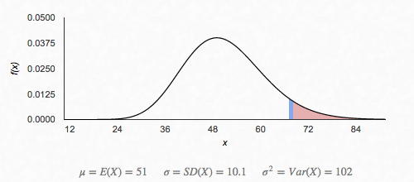 | We shall conduct a chi-quare test for goodness of fit on the observed data of the types of cards drawn, one possible sample from a whole universe of possible samples. This will allow us to
 | look at the discripancies between the observed and expected values and make judgements as to the goodness of fit of the experimental data to the populaation parameter.
 | Hypothesis:

 | Ho: Each card drawn (frequency) are uniformly distributed over 195 draws. | Experimental/Observed Data:
 | Ha: Each card drawn (frequency) are not uniformly distributed over 195 draws. | Card Number | Hearts | Diamonds | Spades | Clubs | Total
 |  | Ace | 1 | 3 | 2 | 6 | 12
 | A total of 1 + 3 + 2 + 6 + 3 + 4 + 3 + 9 + 2 + 4 + 4 + 4 + 4 + 1 + 3 + 4 + 1 + 5 + | 2 | 3 | 4 | 3 | 9 | 19
 | 6 + 5 + 5 + 3 + 2 + 9 + 9 + 2 + 1 + 4 + 3 + 1 + 2 + 3 + 4 + 9 + 6 + 1 + 7 + 6 + 3 | 3 | 2 | 4 | 4 | 4 | 14
 | 3 + 5 + 4 + 2 + 5 + 2 + 5 + 3 + 6 + 2 + 1 + 3 + 0 = 195. | 4 | 4 | 1 | 3 | 4 | 12
 |  | 5 | 1 | 5 | 6 | 5 | 17
 | We would expect 195/52 = 3.75 cards from each card number and suit (in intersection) | 6 | 5 | 3 | 2 | 9 | 19
 | to be drawn. | 7 | 9 | 2 | 1 | 4 | 16
 | Conditions: | 8 | 3 | 1 | 2 | 3 | 9
 |  | 9 | 4 | 9 | 6 | 1 | 20
 | This is a X^2 goodness of fit test. | 10 | 7 | 6 | 3 | 3 | 19
 | 1. The sample was selected at random where each card was drawn after being | J | 5 | 4 | 2 | 5 | 16
 | shuffled. This sample is a representative sample. | Q | 2 | 5 | 3 | 6 | 16
 | 2. We note that the expected values are all less than 5, however for the purpose of | K | 2 | 1 | 3 | 0 | 6
 | demonstrating our knowledge we will continue with the test when in theory it should | Total | 48 | 48 | 40 | 59 | 195
 | not be continued.

 | Conclusion: | Expected Theoritical Data:
 | Putting the observed and expected number in lists, and with df = 52 - 1 = 51, | Card Number | Hearts | Diamonds | Spades | Clubs | Total
 | calculator software (such as X^2 GOF-Test on the TI-84) gives X^2 = 67.6666667 and | Ace | 3.75 | 3.75 | 3.75 | 3.75 | 15
 | P = 0.0590336946. | 2 | 3.75 | 3.75 | 3.75 | 3.75 | 15
 |  | 3 | 3.75 | 3.75 | 3.75 | 3.75 | 15
 | With this small of a P-value (P = 0.0590336946) there is sufficient evidence to reject | 4 | 3.75 | 3.75 | 3.75 | 3.75 | 15
 | Ho at the 10% level but not at the 5% level. If we are willing to accept a 10% chance | 5 | 3.75 | 3.75 | 3.75 | 3.75 | 15
 | of committing Type I error, there is enough evidence to claim that the cards drawn are | 6 | 3.75 | 3.75 | 3.75 | 3.75 | 15
 | not normally uniformally distributed. | 7 | 3.75 | 3.75 | 3.75 | 3.75 | 15
 |  | 8 | 3.75 | 3.75 | 3.75 | 3.75 | 15
 |  | 9 | 3.75 | 3.75 | 3.75 | 3.75 | 15
 |  | 10 | 3.75 | 3.75 | 3.75 | 3.75 | 15
 |  | J | 3.75 | 3.75 | 3.75 | 3.75 | 15
 |  | Q | 3.75 | 3.75 | 3.75 | 3.75 | 15
 |  | K | 3.75 | 3.75 | 3.75 | 3.75 | 15
 |  | Total | 48.75 | 48.75 | 48.75 | 48.75 | 195

 |  | Observed | Expected | X^2
 |  | 1 | 3.75 | 2.016666667
 |  | 3 | 3.75 | 0.15
 |  | 2 | 3.75 | 0.8166666667
 |  | 4 | 3.75 | 0.01666666667
 |  | 1 | 3.75 | 2.016666667
 |  | 5 | 3.75 | 0.4166666667
 |  | 9 | 3.75 | 7.35
 |  | 3 | 3.75 | 0.15
 |  | 4 | 3.75 | 0.01666666667
 |  | 7 | 3.75 | 2.816666667
 |  | 5 | 3.75 | 0.4166666667
 |  | 2 | 3.75 | 0.8166666667
 |  | 2 | 3.75 | 0.8166666667
 |  | 3 | 3.75 | 0.15
 |  | 4 | 3.75 | 0.01666666667
 |  | 4 | 3.75 | 0.01666666667
 |  | 1 | 3.75 | 2.016666667
 |  | 5 | 3.75 | 0.4166666667
 |  | 3 | 3.75 | 0.15
 |  | 2 | 3.75 | 0.8166666667
 |  | 1 | 3.75 | 2.016666667
 |  | 9 | 3.75 | 7.35
 |  | 6 | 3.75 | 1.35
 |  | 4 | 3.75 | 0.01666666667
 |  | 5 | 3.75 | 0.4166666667
 |  | 1 | 3.75 | 2.016666667
 |  | 2 | 3.75 | 0.8166666667
 |  | 3 | 3.75 | 0.15
 |  | 4 | 3.75 | 0.01666666667
 |  | 3 | 3.75 | 0.15
 |  | 6 | 3.75 | 1.35
 |  | 2 | 3.75 | 0.8166666667
 |  | 1 | 3.75 | 2.016666667
 |  | 2 | 3.75 | 0.8166666667
 |  | 6 | 3.75 | 1.35
 |  | 3 | 3.75 | 0.15
 |  | 2 | 3.75 | 0.8166666667
 |  | 3 | 3.75 | 0.15
 |  | 3 | 3.75 | 0.15
 |  | 6 | 3.75 | 1.35
 |  | 9 | 3.75 | 7.35
 |  | 4 | 3.75 | 0.01666666667
 |  | 4 | 3.75 | 0.01666666667
 |  | 5 | 3.75 | 0.4166666667
 |  | 9 | 3.75 | 7.35
 |  | 4 | 3.75 | 0.01666666667
 |  | 3 | 3.75 | 0.15
 |  | 1 | 3.75 | 2.016666667
 |  | 3 | 3.75 | 0.15
 |  | 5 | 3.75 | 0.4166666667
 |  | 6 | 3.75 | 1.35
 |  | 0 | 3.75 | 3.75
 |  |  | Total: | 67.6666666700

Experimental Data Analysis-Type
Chi-Square Test for Goodness of Fit to test Experimental Data for Types of Hands Selection

We conducted a chi-quare test for goodness of fit on the observed data of the types of cards drawn, one possible sample from a whole universe of possible samples. This will allow us to
look at the discripancies between the observed and expected values and make judgements as to the goodness of fit of the experimental data to the populaation parameter.
Hypothesis:

Ho: The types of hands drawn probabilities are the same as the theoretical calculated probabilities. | Expected Theroritical Calculated Probabilities:
Ha: The types of hands drawn probabilities are not the same as the theoretical calculated probabilities. | Options | Possible Hand Satisfying Option | Possible Hands | Probabilitiy of Occuring | Frequency of Hands Drawn
Conditions: | Naught | 1302510 | 2598960 | 0.5011658510000000 | 19.54546819

This is a X^2 goodness of fit test. | Pairs | 1098240 | 2598960 | 0.4225690276000000 | 16.48019208
1. The sample was selected at random where each card was drawn after being | Two-Pairs | 123552 | 2598960 | 0.0475390156100000 | 1.854021609
shuffled. This sample is a representative sample. | Three-of-a-Kind | 54912 | 2598960 | 0.0211284513800000 | 0.8240096038
2. We note that the expected values are all less than 5, however for the purpose of | Straight | 10200 | 2598960 | 0.0039246467820000 | 0.1530612245
demonstrating our knowledge we will continue with the test when in theory it should | Flush | 5138 | 2598960 | 0.0019769446240000 | 0.07710084034
not be continued | Full House | 3744 | 2598960 | 0.0014405762300000 | 0.05618247299
Conclusion:
 | Four-of-a-Kind | 624 | 2598960 | 0.0002400960384000 | 0.009363745498
Putting the observed and expected number in lists, and with df = 39 - 1 = 38, | Straight-Flush | 36 | 2598960 | 0.0000138516945200 | 0.0005402160864
calculator software (such as X^2 GOF-Test on the TI-84) gives X^2 = 24.729 and P = 0.0032. | Royal Flush | 4 | 2598960 | 0.0000015390771690 | 6.00240096E-05
In this case, the Chi-Squared is too large and the p-value is too small to conclude that the estimation is an accurate representation. | Total: | 2598960 | 2598960 | 1.00 | 39
However, if we look at the two highlighted cells on the right, one will notice that they are essentially outliers and skewed the data a lot. | Experimental/Observed Data:
After removing Full House, the p-value is acceptable at 0.3529.
After removing Straight as well, the Chi-Squared value becomes 4.1872. We can conclude excluding the presence of outliers, | Options | Frequency | Number of Rounds | Probabilitiy of Occuring
our theoretical probability calculations are representative of the experimental data in most cases (naught, pair, two-pairs, three-of-a-kind). | Naught | 14 | 39 | 0.358974359000
For future references, we need larger and more samples to test the goodness of fit of the rarer hands, such as Full House. | Pair | 18 | 39 | 0.461538461500
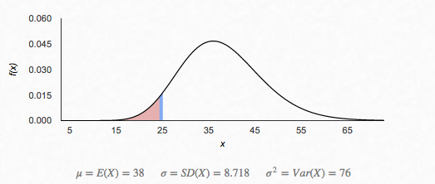 | Two-Pairs | 3 | 39 | 0.076923076920
 | Three-of-a-Kind | 2 | 39 | 0.051282051280
 | Straight | 1 | 39 | 0.025641025640
 | Flush | 0 | 39 | 0.00
 | Full House | 1 | 39 | 0.025641025640
 | Four-of-a-Kind | 0 | 39 | 0.00
 | Straight-Flush | 0 | 39 | 0.00
 | Royal Flush | 0 | 39 | 0.00
 | Total: | 39 |  | 1.00
 | Chi-Squared Test for Goodness of Fit:

 | Options | Observed | Expected | X^2
 | Naught | 14 | 19.54546819 | 1.573368165
 | Pair | 18 | 16.48019208 | 0.1401571118
 | Two-Pairs | 3 | 1.854021609 | 0.708333963
 | Three-of-a-Kind | 2 | 0.8240096038 | 1.678321958
 | Straight | 1 | 0.1530612245 | 4.686394558 | *Removed from calculation since it's an outlier
 | Flush | 0 | 0.07710084034 | 0.07710084034
 | Full House | 1 | 0.05618247299 | 15.85532777 | *Removed from calculation since it's an outlier
 | Four-of-a-Kind | 0 | 0.009363745498 | 0.009363745498
 | Straight-Flush | 0 | 0.0005402160864 | 0.0005402160864
 | Royal Flush | 0 | 6.00240096E-05 | 6.00240096E-05
 | Total: |  | Total | 24.72896835

 | P-Value: | 0.0032137724
 | X^2 (Full House) | 8.873640582000
 | P-Value (Full House): | 0.3528839921
 | X^2 (Full House & Straight) | 4.187246024
 | P-Value (Full House & Straight): | 0.7580251571

Geometric Probalilities for Rou
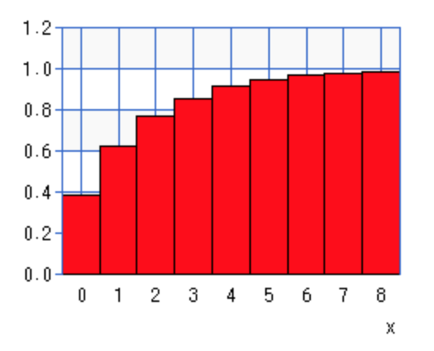 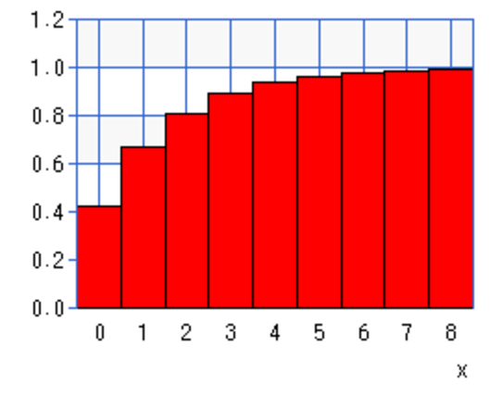 | Geometric Distribution Analysis of Types of Hands Over Each Round

 | Geometric Probability
 |  | Probability of occuring each round | Probablity of not occuiring each round | Mean number of rounds for it to occur | Standard Deviation (if normal) | Choose a Round | Probability of happening on that chosen round
 | One Number Only | 0.38461538462 | 0.6153846154 | 2.6 | 2.039607805 | 1 | 0.3846153846
 | Specific Card | 0.096153846154 | 0.9038461538 | 10.4 | 9.887365675 | 1 | 0.09615384615
 | Pairs | 0.422569027600 | 0.577430972400 | 2.366477273 | 1.79825955 | 1 | 0.4225690276
 | Two-Paris | 0.047539015606 | 0.952460984400 | 21.03535354 | 20.52926557 | 4 | 0.04107634272
 | Three-of-a-Kind | 0.021128451381 | 0.978871548600 | 47.32954545 | 46.82687612 | 47 | 0.007911341453
 | Straight | 0.003924646782 | 0.996075353200 | 254.8 | 254.2995085 | 6 | 0.00384823466
 | Flush | 0.001976944624 | 0.998023055400 | 505.8310627 | 505.3308153 | 7 | 0.001953610356
 | Full House | 0.001440576230 | 0.998559423800 | 694.1666667 | 693.6664865 | 8 | 0.001426112042
 | Four-of-a-Kind | 0.000240096038 | 0.999759904000 | 4165 | 4164.49997 | 9 | 0.0002396352569
 | Straight-Flush | 0.000013851695 | 0.999986148300 | 72193.33333 | 72192.83333 | 10 | 1.384996779E-05
 | Royal Flush | 0.000001539077 | 0.999998460900 | 649740 | 649739.5 | 600000 | 6.112419078E-07
 | Cumulative Probability

 | The cummulative charts clearly shows the cummulative probabilities of getting each hand before a given round. We can see a clear trend for number only and a pair in only eight trails. Yet, as the type of hand gets rarer and rarer
 | (ex. Three-of-a-Kind and Full House); we have to increase the increment. Not all hands were graphed, but we have enough to demonstrate the geometric trend that the data shows.
 |  | 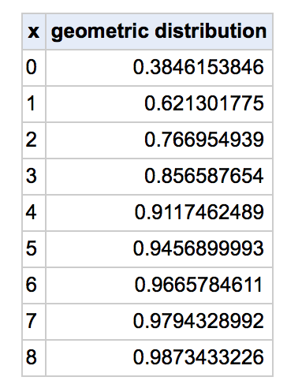 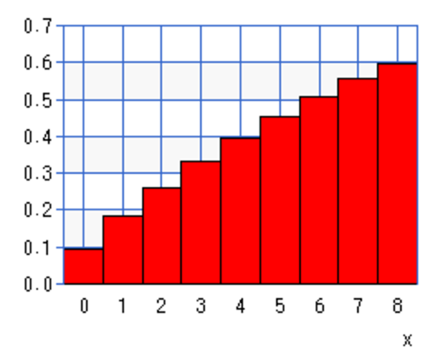 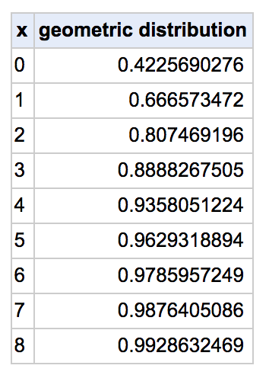 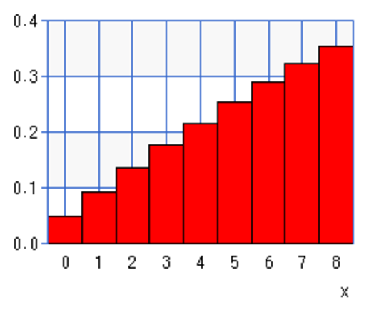 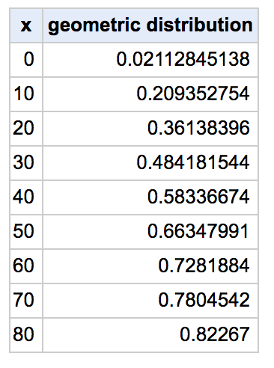 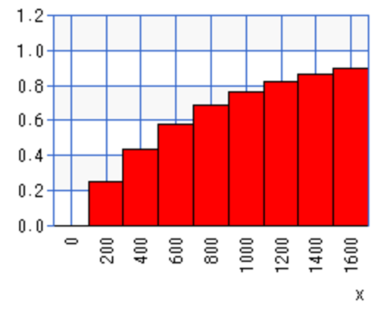 |  |  | 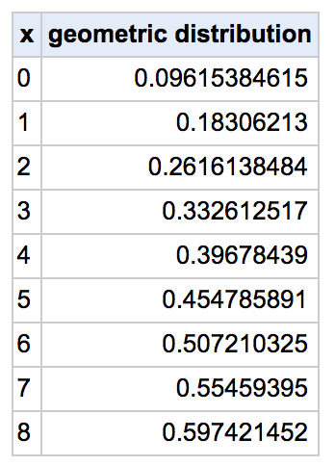 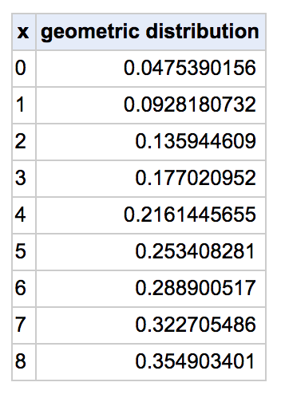 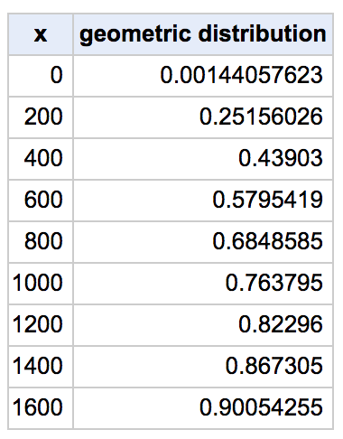
 | One Number Only: |  |  | Specific Card:

 | Pairs:
 |  |  |  | Two-Pairs:

 | Three-of-a-Kind: |  |  | Full House:
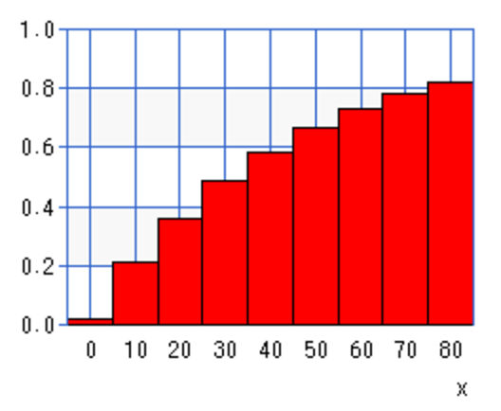

 | Analyzing Observed Data of Pairs
 | We conducted a one sample mean test on the observed data mean and the expected data mean. This will allow us to evaluate the sample mean statement |  |  |  | Observed Number of Failure until Success | Probability | 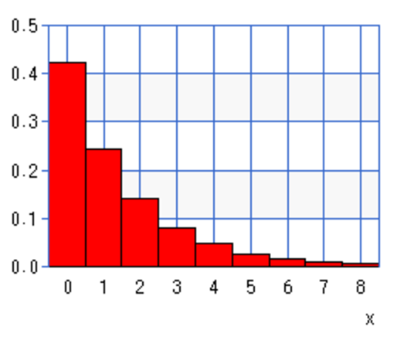 Theoretical Geometric Probability of Pairs
 | and the population to determine which statement is supported by the experimental data (source: http://blog.minitab.com/blog/adventures-in-statistics-2/understanding-hypothesis-tests%3A-why-we-need-to-use-hypothesis-tests-in-statistics). |  |  |  | 1 | 0.4225690276
 | Hypothesis: |  |  |  | 3 | 0.1408957237
 |  |  |  |  | 5 | 0.04697837194
 | Ho: The mean rounds for a pair to occur is 2.6 (μ = 2.6) |  |  |  | 2 | 0.2440044445
 | Ha: The mean rounds for a pair to occur is not 2.6 (μ ≠ 2.6) |  |  |  | 1 | 0.4225690276
 | Conditions |  |  |  | 5 | 0.04697837194
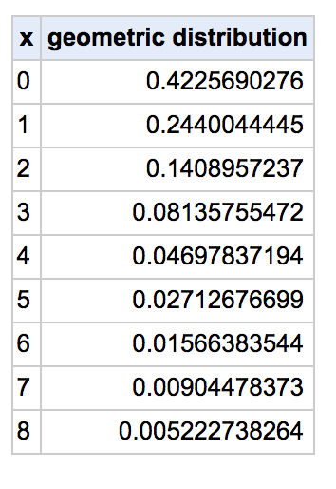
 |  |  |  |  | 3 | 0.1408957237
 | 1. The sample is random since the cards were shuffled after each round |  |  |  | 1 | 0.4225690276
 | 2. n = 18 is too small for CLT to apply, however let's assume that distribution is normal |  |  |  | 1 | 0.4225690276
 | 3. We can assum that 18 pairs is lass than 10% of all pairs drawn (out of a population of at least 180). |  |  |  | 3 | 0.1408957237
 | Construct Confidence Interval: |  |  |  | 1 | 0.4225690276
 |  |  |  |  | 1 | 0.4225690276
 | Lower Bound: 1.5006 |  |  |  | 2 | 0.2440044445
 | Upper Bound: 2.8328 |  |  |  | 2 | 0.2440044445
 | T-Interval: (1.5006, 2.8328) 1.5006 <= X <= 2.8328 |  |  |  | 1 | 0.4225690276
 | x̄ = 2.166666667 |  |  |  | 3 | 0.1408957237
 | Sx = 1.339446769 |  |  |  | 1 | 0.4225690276
 | n = 18 |  |  |  | 3 | 0.1408957237
 | Sample Mean is between the two numbers, thus we conclude at 95% confidence interval we accept the original hypothesis.
 |  |  |  |  | Sample Mean: | 2.166666667
 | Conclusion: |  |  |  | Standard Deviation of Sample | 1.339446769
 |  |  |  |  | Theoretical Population Mean | 2.6
 | The population SD is unknown, so a t-test is called for. Calculator software gives t = -1.37 and P = 0.1877260497. With this big a P-value, 0.1877260497 |  |  |  | Standard Error (if normal) | 0.4238538408
 | > 0.1, there is sufficient evidence to accept the claim that the mean rounds for a pair to occur is 2.6.

 | These analysis are based on if the distribution was normal.
 | P(Type II Eror)
 | P(1.6578 < X < 3.5422)
 | P( (1.6578-2.1667)/1.3394 < Z < (3.5433-2.1667)/1.3394 )
 | P(-0.3799 < Z < 1.0269)
 | P(Z < 1.0269) - P (Z < -0.3799)
 | 0.8485 - 0.352
 | P(Type II Error) = 0.4965
 | The chance for type two error is really high, thus we need to consider that we may easily reject Ha when it is true.

